Triodes and r Rp
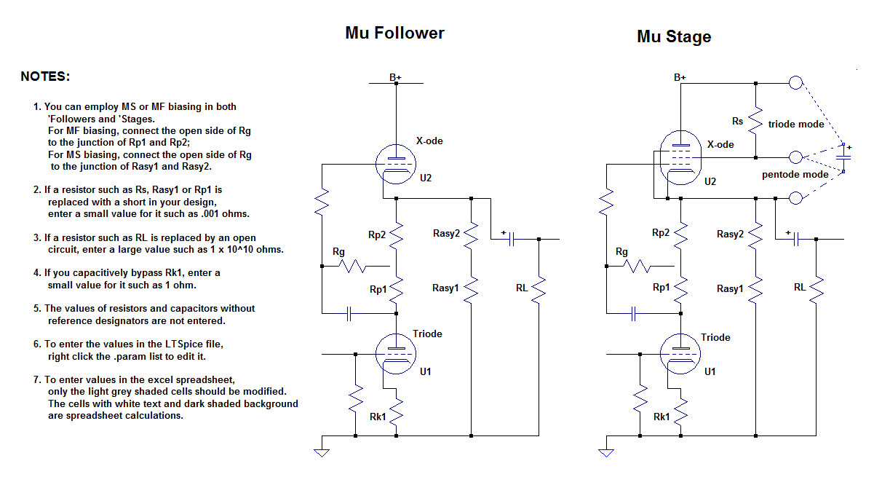

Triode (U1) part numbers | Eb | Ib | Ec | mu | rp | Rp | Rk1 bypassed | Rk1 unbypassed
 | volts DC | amps DC | volts DC |  | ohms | ohms | 1 + r/Rp | 1 + r/Rp

45 | 20 | 0.002 | -1.94 | 3.71 | 4130 | 64030 | 1.1 | 1.1
50 | 30 | 0.002 | -3.90 | 3.27 | 5880 | 58050 | 1.1 | 1.2
5687 | 50 | 0.002 | -2.58 | 15.4 | 4470 | 48710 | 1.1 | 1.5
5881 | 50 | 0.002 | -6.07 | 6.38 | 3890 | 46965 | 1.1 | 1.6
7027 | 50 | 0.002 | -5.85 | 6.61 | 3910 | 47075 | 1.1 | 1.6
7119 | 50 | 0.002 | -2.04 | 20 | 4040 | 48980 | 1.1 | 1.5
8417 | 50 | 0.002 | -2.79 | 15.2 | 2600 | 48605 | 1.1 | 1.5
12AU7 | 50 | 0.002 | -1.44 | 16.6 | 10300 | 49280 | 1.2 | 1.5
12B4 | 50 | 0.002 | -7.43 | 5.69 | 2860 | 46285 | 1.1 | 1.6
12BH7 | 50 | 0.002 | -2.25 | 14.9 | 7130 | 48875 | 1.1 | 1.5
6BL7 | 50 | 0.002 | -2.57 | 13.7 | 5680 | 48715 | 1.1 | 1.5
6BX7 | 50 | 0.0052 | -4.05 | 8.6 | 2300 | 18452 | 1.1 | 1.5
6CA7 | 50 | 0.002 | -5.86 | 7.32 | 2490 | 47070 | 1.1 | 1.6
6CG7 / 6FQ7 / 6J5 / 6SN7 | 100 | 0.002 | -3.56 | 20 | 12100 | 23220 | 1.5 | 3.1
6DJ8 | 50 | 0.002 | -1.33 | 29.1 | 5030 | 49335 | 1.1 | 1.5
6H30 | 50 | 0.002 | -3.37 | 13.4 | 2950 | 48315 | 1.1 | 1.6
6N1P | 100 | 0.002 | -1.39 | 35.2 | 14400 | 24305 | 1.6 | 2.6
7189 / 6BQ5 | 50 | 0.002 | -2.21 | 16.8 | 4780 | 48895 | 1.1 | 1.5

 | Total drop across Rk1, Rp and the Triode, volts: |  |  |  | 150 |  | Note: Rp = Rp1 + Rp2

 |  | A list of Triodes and their parameters configured to minimize the ratio r / Rp.
 |  | Cells with black text are spreadsheet inputs; those with white text are spreadsheet calculations.

